Sheet1
No | SKU | Title | OEM | Picture | Url
1 | 25468 | Hood Latch Mounting T-30 Torx® Round Undercut Washer Head Tri-Lobular Thread Bolt |  | 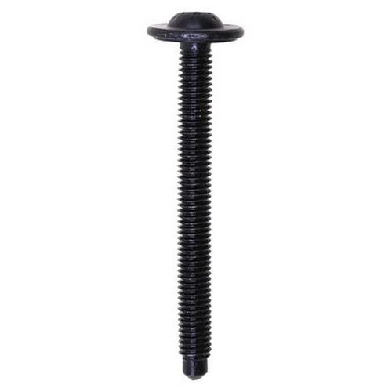 | https://www.auveco.com/hood-latch-mounting-torx-round-undercut-wshr-hd-bolt-25468
2 | 25467 | Headlamp & Radiator Support Torx® Button Head Sems® Screw |  | 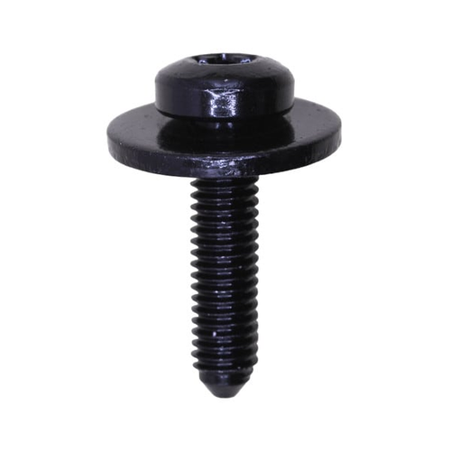 | https://www.auveco.com/headlamp-radiator-support-torx-button-hd-scrw-w-sems-wshr-25467
3 | 25044 | Ford 1999-2016 Replacement Bed Bolts M14-2.0 x 108mm | W714264-S902;W714264?S902 | 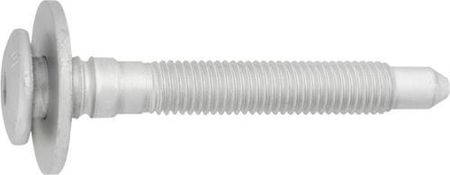 | https://www.auveco.com/ford-truck-bed-mounting-body-bolt-25044
4 | 25043 | Ford 1999-2016 Replacement Bed Bolts M14-2.0 x 138mm | W714263-S902;W714263?S902 |  | https://www.auveco.com/ford-truck-bed-mounting-body-bolt-25043
5 | 25042 | Ford 1999-2016 Replacement Bed Bolts M14-2.0 x 138mm | W714262-S902;W714262?S902 |  | https://www.auveco.com/ford-truck-bed-mounting-body-bolt-25042
6 | 24512 | M6-1.0 x 30 Torx Washer Head Body Bolt Ca Pt |  | 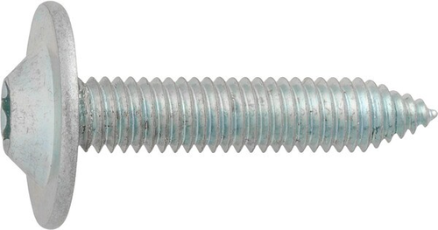 | https://www.auveco.com/m6-1-0-x-30-torx-wshr-hd-body-bolt-ca-pt-24512
7 | 24082 | Hex Washer Head Body Bolt 5/16-18 x 1-1/4" - Black |  | 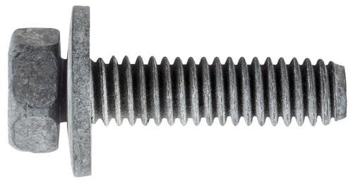 | https://www.auveco.com/hex-wshr-hd-body-bolt-5-16-18-x-1-1-4-black-24082
8 | 18187 | Hex Head Sems Bolt M8-1.25 x 45mm Class 8.8 |  | 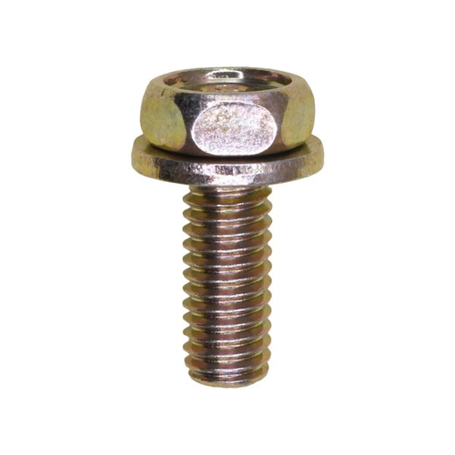 | https://www.auveco.com/hex-head-sems-bolt-m8-1-25-x-45mm-class-8-8-18187
9 | 16762 | Wave Washer Bolt And Flat Washer M8-1.25 x 40mm |  | 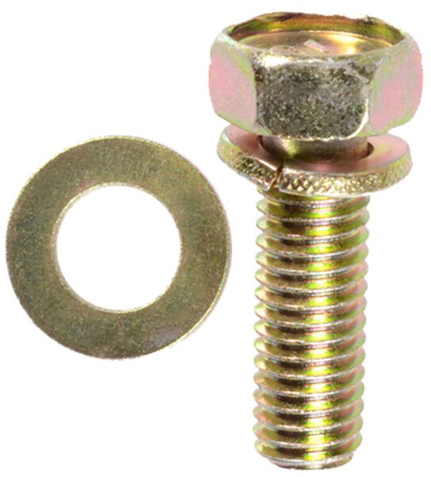 | https://www.auveco.com/wave-washer-bolt-flat-washer-m8-1-25-x-40mm-16762
10 | 13620 | M10-1.5 x 45mm Metric Indented Hex Sems Washer Head | 11501194 | 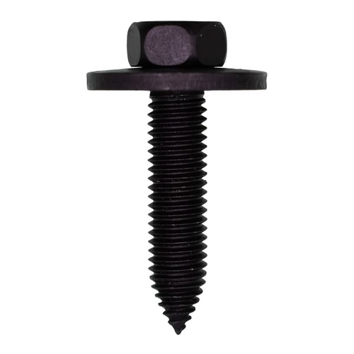 | https://www.auveco.com/m10-1-5-x-45mm-metric-ind-hex-sems-wa-hd-13620

